Cell Phones (Ans)
Assumptions
 |  |  |  |  | Random
 | Vodafone | Orange | Actual Minutes: | 400 | mean | 400 | st. dev. | 20
Base Fee | $39.99 | $35.00 | % of LD Minutes: | 30% | 10% | 30% | 40%
Included Minutes | 400 | Unlimited | No. LD Minutes: | 120
Additional Minutes | $0.40 | $-
Long Distance | $- | $0.08
Total Cost | $39.99 | $44.60 | Saving: | $4.61

Forecast Cell

Report
 |  |  |  | Crystal Ball Report - Full
 |  |  |  | Simulation started on 06/06/2021 at 04:40 AM
 |  |  |  | Simulation stopped on 06/06/2021 at 04:40 AM

 | Run preferences:
 |  | Number of trials run | 1,000
 |  | Monte Carlo
 |  | Random seed
 |  | Precision control on
 |  | Confidence level | 95.00%

 | Run statistics:
 |  | Total running time (sec) | 2.06
 |  | Trials/second (average) | 484
 |  | Random numbers per sec | 969

 | Crystal Ball data:
 |  | Assumptions | 2
 |  | Correlations | 0
 |  | Correlation matrices | 0
 |  | Decision variables | 0
 |  | Forecasts | 1

 |  |  |  | Forecasts

Worksheet: [Lab6 (6-6).xlsx]Cell Phones

Forecast: Saving: |  |  |  |  |  | Cell: G7

 | Summary:
 |  | Entire range is from $-19.38 to $7.26
 |  | Base case is $4.61
 |  | After 1,000 trials, the std. error of the mean is $0.15

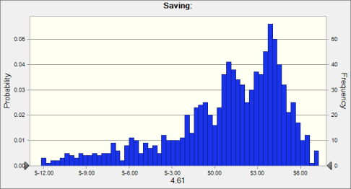

 | Statistics: |  | Forecast values
 |  | Trials | 1,000
 |  | Base Case | $4.61
 |  | Mean | $0.48
 |  | Median | $1.54
 |  | Mode | ---
 |  | Standard Deviation | $4.61
 |  | Variance | $21.27
 |  | Skewness | -1.36
 |  | Kurtosis | 4.87
 |  | Coeff. of Variation | 9.68
 |  | Minimum | $-19.38
 |  | Maximum | $7.26
 |  | Range Width | $26.64
 |  | Mean Std. Error | $0.15

Forecast: Saving: (cont'd) |  |  |  |  |  | Cell: G7

 | Percentiles: |  | Forecast values
 |  | 0% | $-19.38
 |  | 10% | $-6.13
 |  | 20% | $-2.49
 |  | 30% | $-0.66
 |  | 40% | $0.68
 |  | 50% | $1.54
 |  | 60% | $2.58
 |  | 70% | $3.48
 |  | 80% | $4.15
 |  | 90% | $4.94
 |  | 100% | $7.26

End of Forecasts
 |  |  |  | Assumptions

Worksheet: [Lab6 (6-6).xlsx]Cell Phones

Assumption: Actual_Minutes |  |  |  |  |  | Cell: G2

 | Normal distribution with parameters:
 |  | Mean | 400.00 |  | (=I2)
 |  | Std. Dev. | 20.00 |  | (=K2)

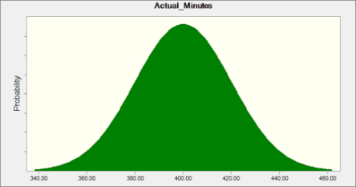

Assumption: of_LD_Minutes |  |  |  |  |  | Cell: G3

 | Triangular distribution with parameters:
 |  | Minimum | 10% |  | (=H3)
 |  | Likeliest | 30% |  | (=I3)
 |  | Maximum | 40% |  | (=J3)
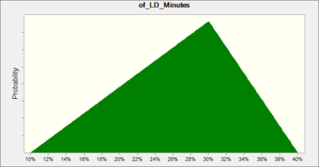

End of Assumptions

